YCF50E
BIKE CODE FOR ORDERS: 22-50E-STD |  | 2022-03-01 | BIKE DESCRIPTION NAME : YCF 50E 2022

50A = YCF50A
50E = YCF50E
W88E = START W88E
L88 = LITE88 L125 = LITE125
S88S = START F88S
S125S = START F125S
S125SE = START F125SE
S125 = STARTF125
P88 = PILOT 88
P125 = PILOT 125
P150 = PILOT 150
SM125 = START SM125S
SM150 = PILOT SM 150
SP1 = FACTORY SP1
SP2 = FACTORY SP2
SP3 = FACTORY SP3
B125 = BIGY 125MX
B150 = BIGY 150MX
BF150 = BIGY F150MX
BFD190 = BIGY FD190 MX
BFZ190 = BIGY ZE190 MX
S147 = SUNDAY 150
S187 = SUNDAY 190
Handle bar assembly
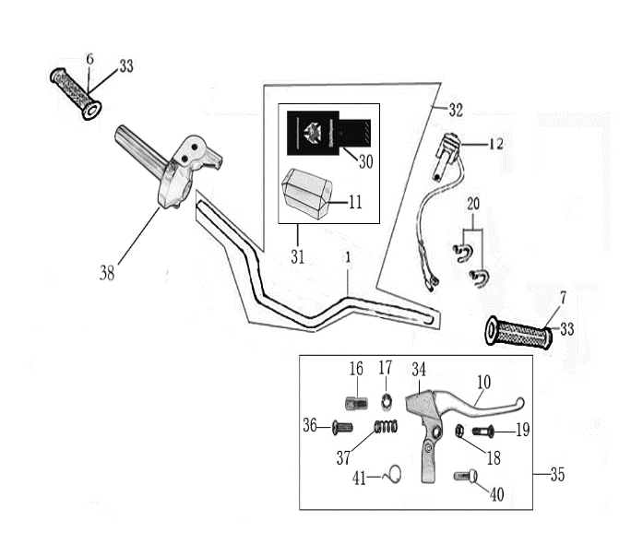
N° | Ref. | Description | Français | Picture | Qty/Bike |  | MODEL
1 | YC110-0132-06 | Handle Bar chromoly (with bar pad and pvc) YCF50 | Guidon chromoly complet avec mousse et pvc YCF50 |  | 1 |  | 50A22/50E22
2 | YC50-0129 | Complete Bar Pad for Handlebar without Bar L=126mm YCF50BLACK/WHITE | Mousse guidon complete pour guidon Aluminium sans Barre YCF50 L=126mm NOIR |  | 1 |  | 50A1822/50E1822
3 | YC110-0153-01 | Handle bar plastic cap | Embout plastique de guidon |  | 1 | 1 | ALL BIKES 22
4 | YC50-0138-01 | Throttle Assy YCF50E L=470mm | Poigne Acceleration YCF50E avec temoin batterie L=470 mm |  | 1 | 1 | 50E1622
5 | PPC011-GY | YCF set of grip GREY 2022 | Paire de poignée caoutchouc YCF GRISE 2022 |  | 1 | 1 | ALL BIKES 22
6 | YC110-0104-04 | Kill Switch ON/OFF L=580mm | Coupe Circuit（allumage/ etinction lampes） |  | 1 | 1 | YCF50E22
7 | YC110-01-03-BK | Cable tie L=150mm BLACK | colier maintien cable L=150mm NOIR |  | 1 | 1 | ALL BIKES 1222

Steering stem assembly
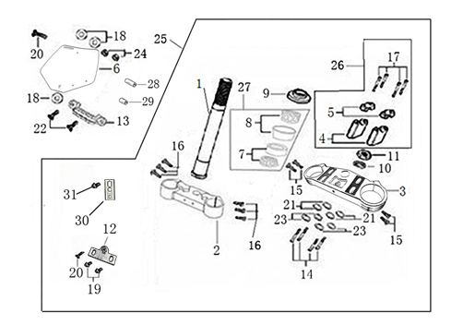
N° | Ref. | Description | Français | Picture | Qty/Bike |  | MODEL
1 | YC50-0227-03-GY | Complete Triple Clamp YCF50 135mm 2022 GREY | Te Fourche Complet YCF50 135mm 2022 GRIS |  | 1 |  | 50A22/50E22
2 | YC50-0220-02 | Steering stem L=195mm | tige colonne direction L=195mm |  | 1 | 1 | 50A22/50E22/L8822/L12522
3 | YC50-0202-06-GY | Lower triple clamp YCF50 L=135mm d.35mm H=18mm 2022 GREY | té fourche inferieur YCF50 d.35mm H=18mm L=135mm GRIS 2022 |  | 1 | 1 | 50A22/50E22
4 | YC50-0201-06-GY | Top Triple Clamp YCF50 L=135mm d.35 H=15mm 2022 GREY | té fourche supérieur YCF50 L=135mm d.35 H=15mm 2022 GRIS |  | 1 | 1 | 50A22/50E22
5 | YC50-0228-01 | YCF50 Set of Bar mount not adjustable d.22.2mm/bottom H=51.5mm(with BT08-M8x25-W 4EA GB70-M10x25x1.5W 2EA) 2022 | Jeu pontet guidon YCF50 non ajustable d.22.2mm / pontet bas H=51.5mm (avec BT08-M8x25-W 4EA GB70-M10x25x1.5W 2EA)2022 |  | 1 |  | 50A2022/50E2022
6 | YC50-0223-03 | YCF50 Lower Bar Mount CNC 2022 H=36mm d.22.2mmBLACK | Pontet guidon inférieur YCF50 2022 H=36mm d.22.2mm NOIR |  | 2 | 2 | 50A22/50E22
7 | YC110-0221-02 | 2022 Top Bar Mout CNC d22.2 mm/height H=18mm START Type BLACK | pontet guidon supérieur 2022 d22.2mm H=18mm Type START NOIR |  | 2 | 2 | 50A22/50E22/W88E22/L8822/L12522/S88SE22/S12522/S125SE22/P12522/P15022/SM12522/SM15022/SP2/B12522/B15022/BFZ19022
8 | BT08-M6x25-W | Hex.Bolt M6x25mm CLAMP(sides top and bottom) | vis M6x25mm TE (cotes superieur et inferieur) |  | 4 | 4 | ALL BIKES 22
9 | BT08-M8x25-W | Hex.Bolt M8x25mm BAR MOUNT | vis M8x25mm PONTET |  | 4 | 4 | 50A22/50E22
10 | GB70-M10x25x1.5W | Hex. Bolt M10x25mm (step 1.5)for 2022 bar mounts | Vis centrale M10x25mm (pas 1.5) pour pontets 2022 |  | 2 | 2 | 50A22/50E22
11 | YC50-0222-03-WH | YCF50 Front Number Plate complete WHITE 2022 | Plaque avant YCF50 complete BLANC 2022 |  | 1 |  | 50A22/50E22
12 | FB13-7x10x22-W | Front Number plate spacer (Top) d7mmxd10mmx22mm | entretoise Plaque numero avant (Haut) d7mmxd10mmx22mm |  | 1 | 1 | 50A1222/50E1622
13 | BT08-M6x35-W | Hex.Bolt M6x35mm for front No plate | vis M6x35mm pour plaque No avant |  | 1 | 1 | ALL BIKES 2022
14 | GB97-d6-W | flat washer d6mm | rondelle d6mm |  | 1 | 1 | ALL BIKES 2212-2022
15 | KRDIRECTION46 | set of bearing for steering 46/23.5、46/22 | Kit rlt colonne direction 46/23.5、46/22 |  | 1 |  | 50A22/50E22/W88E22/S88SE22/L8822/L12522/125S1522/S125SE1522/P1251322/P1501322/SM1251322/SM1501322/SP12022/SP20222/SP32022/B1251722/B1501722/BF1501722/BFD1901722/BFZ1901722/S1471822/S1871822
16 | YC110-02-09 | Top nut for steering d.54.5mm | écrou crantellé colonne direction d.54.5mm |  | 1 | 1 | ALL BIKES 1222
17 | YC110-02-10 | Washer for steering stem nut d.22.5mmxd.37mmx0.7mm | joint colonne direction d.22.5mmxd.37mmx0.7mm |  | 2 | 2 | ALL BIKES 1222
18 | YC110-02-11 | Nut for steering stem M22 | écrou supérieur colnne direction M22 |  | 1 | 1 | ALL BIKES 1222
19 | YC110-0224-01-WH | Complete Break Line Retainer White（with GB9074.5-M4x10-W 1EA ） | guide durite sur plaque avant complet Blanc |  | 1 |  | 50A22/50E22/W88E22/S88SE22/L8822/L1251622/S125SE1522/P1251422/P1501422/SM1251422/SM1501422/SP12122/SP22122/SP32122/B1251722/B1501722/BF1501719/BFD1901722/BFZ1901722
20 | GB97-d4-W | flat washer d.4mm for Break Line Retainer front No plate | rondelle d.4mm pour guide durite plaque No avant |  | 1 | 1 | ALL BIKES 1222
21 | GB818-M4x10-W | Plus screw M4x10mm for Break Line Retainer front No plate | vis M4x10mm pour guide durite plaque No avant |  | 1 | 1 | ALL BIKES 1222
22 | YC110-0223-10 | Front plastic plate to hold cables 75mmx100mm | Plaque avant plastique maintien cables 75mmx100mm |  | 1 | 1 | ALL BIKES22
23 | YC110-0223-0401 | Number plate bracket long TOP 2022 | Support plaque avant 2022 |  | 1 | 1 | 50A22/50E22
24 | GBT5787-M6x16-3 | Hex. Bolt with flanged M6x16mm for No plate bracket (STEP 3mm) | vis M6x16mm pour Support plaque avant (STEP 3mm ) |  | 1 | 1 | 22
25 | YC110-01-08-BK | Cable tie ADJUSTABLE BLACK | Collier maintien cable AJUSTABLE NOIR |  | 2 | 2 | ALL BIKES 22
26 | YC110-02-22 | Washer for steering stem nut d22mm (top)/d24mm (bottom)-d47mm | Joint pour colonne direction d22mm (haut)/d24mm (bas) -d47mm |  | 1 |  | S1251422/S125S1422/S125SE1422/P1251422/P1501422/SM1251422/SM1501422/SP11422/SP22422/SP31422/B1251722/B1501722/BF1501722/BFD1901722/BFZ1901822/S1471822/S1871822/S88SE22

Front Fender

N° | Ref. | Description | Français | Picture | Qty/Bike |  | MODEL
1 | YC50-031-01-WH | Front Fender YCF50 2022 WHITE | Gb avant YCF50 2022 BLANC |  | 1 | 1 | 50A22/50E22/L8822
2 | GBT5787-M6x16-6 | Hex. Bolt with flanged M6x16mm (spacer 6mm) for front mudguard (bottom) | vis M6x16mm (deport 6mm) pour garde boue avant (dessous) |  | 3 | 3 | 50A22/50E22/W88E1822/S88SE1822/L8822/L12522/S12522/S125SE1822/P1251822/P1501822/SM1251822/SM1501822/SP21822/SP31822/B1251822/B1501822/BF1501719/BFD19017822/BFZ1901822
3 | GBT5787-M6x16-3 | Hex. Bolt with flanged M6x16mm front mudguard (spacer 3mm) for front mudguard (top) | vis M6x16mm garde boue avant (deport 3mm ) pour garde boue avant (dessus) |  | 2 | 2 | 50A22/50E22/W88E1822/S88SE1822/L8822/L12522/S12522/S125SE1822/P1251822/P1501822/SM1251822/SM1501822/SP22822/SP31822/B1251822/B1501822/BF1501719/BFD19017822/BFZ1901822

Front & Rear absorber

N° | Ref. | Description | Français | Picture | Qty/Bike |  | MODEL
1 | YC50-0400-03 | YCF50 Pair of fork L=530mm d.35 (not adjustable) MAGNESIUM | Jeu de fourche YCF50 (non ajustable) L=530mm d.35 MAGNESIUM |  | 1 | 1 | 50A1422/50E1622
2 | YC50-0401-04 | Front right fork L=530mm (not adjustable) MAGNESIUM | tube fourche droit (non ajustable)L=530mm MAGNESIUM |  | 1 |  | 50A1322/50E1622
3 | YC50-0402-04 | Front left fork L=530mm (not adjustable) MAGNESIUM | tube fourche gauche (non ajustable) L=530mm MAGNESIUM |  | 1 |  | 50A1322/50E1622
4 | YC50-0404-03 | YCF50 Shock absorber L=220mm YELLOW | Amortisseur YCF50 L=220mm JAUNE |  | 1 | 1 | 50A1422/50E1622
5 | YC50-0410-02 | shock top spacer 50CC d10mmxd22mmx22.5mm | Silent Block haut amortisseur 50CC d10mmxd22mmx22.5mm |  | 1 |  | 50A1222/50E1622
6 | YC50-0411-03 | shock absorber bottom spacer 50CC d.10mmxd.22mmxd.26x11mm | Entretoise basse amortisseur YCF50 d.10mmxd.22mmxd.26mmx11mm |  | 2 |  | 50A1222/50E1622
7 | GB5787-M10x45 | Hex.bolt for shock absorber top and botom M10x45mm | Vis M10x45mm pour fixation amortisseur haut et bas |  | 2 | 2 | 50A1222/50E1622
8 | GB6187-M10-W | Self-locking Nut M10 for shock absorber fixation screw | Ecrou M10 pour vis fixation amortisseur |  | 2 | 2 | 50A1222/50E1622
9 | YC50-0418-02-WH | YCF50 set of fork protection WHITE | Jeu protection fourche YCF50 BLANC |  | 1 | 1 | 50A1422/50E1622
10 | GB70.2-M5x10 | Plus screw M5x10mm for fork protection | vis M5x10mm pour protection fourche |  |  | 4 | 50A1222/50E1622
11 | GB97-d5-W | flat washer d5mmxd10mmx1mm | rondelle d5mmxd10mmx1mm |  | 4 | 4 | 50A1222/50E1622
12 | YC110-0403-05 | Complete Oil steel line retainer on left front fork | Passe durite complet sur protection fourche gauche |  | 1 |  | W88E22/F88L22/F88se22/F125L22/F125se22/F125s22/P1251622/P1501622/SP1622/SP222/SP322/SM1502122/BIGY2122
13 | BT08-M6x22-W | Hex.Bolt M6x22 mm for oil steel line retainer | vis M6x22 mm pour passe durite |  | 2 | 2 | W88E22/S88SE22/L8822/L12522/S125SE22/P12522/P15022/SM12522/SM15022/SP222/SP322/B12522/B15022/BFD19022/BFZ19022/S14722/S18722
14 | GB6170-M6-W | Nut M6 for oil steel line retainer on left front fork | Ecrou M6 pour sur protection fourche gauche |  | 2 | 2 | W88E1822/S88S1422/S88SE1422/L8822/L1251622/S125S1522/S125SE1522/P1251422/P1501422/SM1251422/SM1501422/SP11422/SP22422/SP31422/B1251722/B1501722/BF1501722/BFD1901722/BFZ1901722/S1471822/S1871822

Front Brake Assy

N° | Ref. | Description | Français | Picture | Qty/Bike |  | MODEL
1 | YC50-0511-03 | Front brake assy L=830mm YCF50A / 50E without asbestos d.8mm/d.8mm （right side）2022 | Kit frein avant L=830mm YCF50A / 50E sans amiante d8mm/d8mm (côté droit) 2022 |  | 1 | 1 | 50A22/50E22
...
N° | Ref. | Description | Français | Picture | Qty/Bike
8 | YC50-06-052 | YCF50 Right wheel spacer d.12mmxd.22mmx23mm | entretoise roue avant droite d.12mmxd.22mmx23mm YCF50 |  | 1 | 1
9 | YC50-06-051 | Left wheel spacer d.12mmxd.22mmx26mm | entretoise roue avant gauche d.12mmxd.22mmx26mm |  | 1 | 1
10 | YC110-11-02 | tire lining 10" | fond jante 10' |  | 1 | 1
11 | YC50-06-01 | YCF50 Front Axle 170mm with Self-locking nut d.12mm | Axe de roue avant d.12mm L=170mm YCF50 |  | 1 | 1
12 | YC50-0513-01 | Brake disk front/rear d.160 mm | Disque frein avant/arriere d.160mm |  | 1 | 1
13 | GB70.2-M6x16 | Socket head cap screw M6x16mm for disk | vis disque frein M6x16mm |  | 4 | 4
14 | YC50-0617-01 | STEEL Rim for Front wheel 1.4x10' Black | cerceau roue av 1,4x10' ACIER Noir |  | 4 | 1
15 | JR10-10.6 | set of spoke 10' 50cc(104mmx16+106mmx16) | JEUX RAYON AV 10' 50cc (104mmx16+106mmx16) |  | 1

Fuel Tank
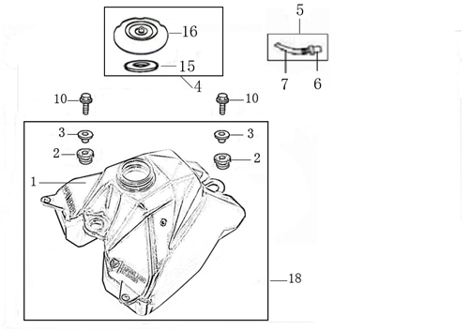
N° | Ref. | Description | Français | Picture | Qty/Bike
1 | YC50-07012 | YCF50 Complete fuel tank (with YC110-07-01 2EA+YC110-07-02 2EA) | Reservoir complet YCF50 |  | 1
2 | YC110-0702-01 | YCF Tank cap plastic Ventilator d3mm | Bouchon reservoir plastique YCFd3mm |  | 1 | 1
3 | BT08-M8x30-W | Hex.Bolt M8x30mm for gas tank fixation (front/rear) | vis M8x30mm pour fixation reservoir (avant/arriere) |  | 2 | 2
4 | YC125-0704-BK | Fuel tank valve BLACK | Valve prise air NOIR |  | 1
5 | YC110-2519-01 | Throttle Regulator reponse L=310mm including plastic support and sticker | Regulateur temps reponse acceleration complet avec support plastique et sticker |  | 1

Foot Peg assy
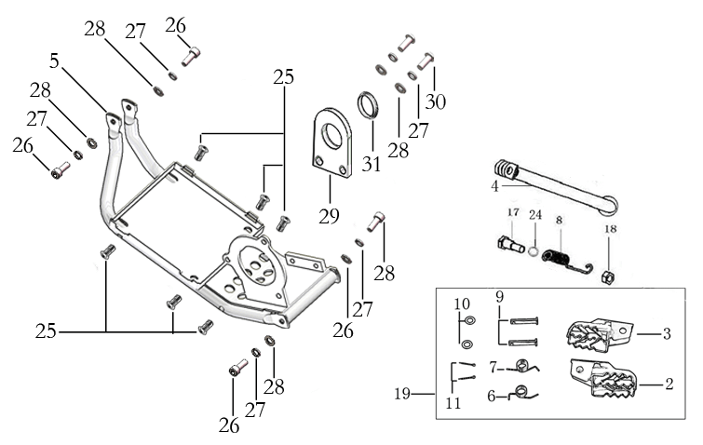
N° | Ref. | Description | Français | Picture | Qty/Bike
1 | YC50-0902/04 | Steel set of foot pegs 50cc Grey 2020 | jeu repose pied acier 50cc Gris 2020 |  | 1
2 | YC110-09-01 | Spring for right steel foot peg d.1.5mmxd.16.5mmx10mm | ressort repose pied droit acier d.1.5mmxd.16.5mmx10mm |  | 1 | 1
3 | YC110-09-02 | Spring for left steel foot peg d1.5mmxd16.5mmx10mm | ressort repose pied gauche acier d1.5mmxd16.5mmx10mm |  | 1 | 1
4 | GB882-d8x40-W | shaft pin for steel footpegs d.8mmx40mm | axe repose pied acier d.8mmx40mm |  | 2 | 2
5 | GB97-d8-W | flat washer for shaft pin for steel footpegs d.8mmxd.16mmx1mm | rondelle pour axe repose pied acier d.8mmxd.16mmx1mm |  | 2 | 2
6 | GB91-d2x25-W | Cotter pin for shaft pin for steel footpegs d.2.0mmx25mm | goupille pour axe repose pied acier d.2.0mmx25mm |  | 2 | 2
7 | YC50-222 | Kick stand L=222mm 2022 | Bequille L=222mm 2022 |  | 1 | 1
8 | FB02-M10x1.5x30I | Stepped screw M10x35mm for kick stand | vis bequille M10x35mm |  | 1 | 1
9 | GB6172-M10-G | Hex. Nut M10 (step 1.5) | ecrou bequille M10 (pasl1.5) |  | 1 | 1
10 | GB93-d10-W | Standard spring washer for kick stand d.10mm | rondelle pour bequille d.10mm |  | 1 | 1
11 | YC110-19-01 | spring for kick stand d.2.5mmxd.15mmx105mm | ressort bequille d.2.5mmxd.15mmx105mm |  | 1 | 1
12 | YC50-224-02 | Motor aluminium skid plate 50E | Sabot moteur - Baterie YCF50E Aluminium |  | 1 | 1
13 | BT08-M8x22-W | Hex.Bolt M8x22mm | vis M8x22mm pour fixation sabot moteur |  | 4 | 4
14 | GB97-d8-W | flat washer d8mmxd16mmx1mm for skid plate fixation | rondelle d8mm pour fixation sabot moteur |  | 4 | 4
15 | GB93-d8-W | Standard spring washer d8 for skid plate fixation | rondelle d8 pour fixation sabot moteur |  | 4 | 4

Swing Arm assy
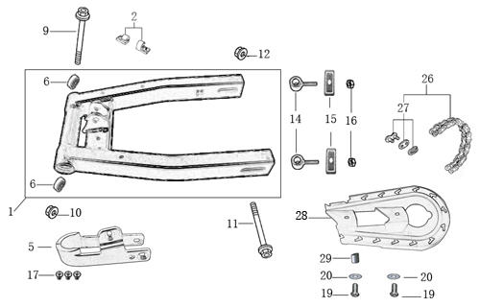
N° | Ref. | Description | Français | Picture | Qty/Bike
1 | YC50-10014-01 | YCF50 Mono swing arm BLACK L=300mm d.12mm | Bras oscillant mono YCF50 NOIR L=300mm d.12mm |  | 1 | 1
2 | YC110-10-015-BK | Rear brake hose guide 2022 | Passe durite de frein arriere sur bras oscillant 2022 |  | 1 | 1
3 | DIN7985-M6x16 | Screw M6x16mm for Rear brake hose guide and chain slider | Vis M6x16mm pour Passe durite de bras oscillant ET patin chaine court |  | 2 | 2
4 | GB6100-M6-CW | Rivet M6x15mm for Rear brake hose fixation on swing arm | Rivet M6x15mm pour Attache duritesur bras oscillent |  | 5 | 5
5 | YC50-10-01 | YCF Chain slider 50cc | patin chaine YCF 50cc |  | 1 | 1
6 | GB819-M6x16-W | Screw M6x16mm for chain slider | Vis M8x16mm pour patin de chaine |  | 3 | 3
7 | 6001/28-12-08 | Swing arm ball bearing 6001 d.12mmxd.28mmx8mm | roulement bras oscillant 6001 d.12mmxd.28mmx8mm |  | 2 | 2
8 | YC110-10-034 | Swing arm shaft with self lock nut M12 L=192mm | axe bras oscillant d.10 avec ecrou M12 L=192mm |  | 1 | 1
9 | YC50-11-02 | YCF50 Rear wheel axle M12x225mm with Self locking nut M12 | axe roue arriere YCF50 L=225mm avec ecrou d.12mm |  | 1 | 1
...
N° | Ref. | Description | Français | Picture | Qty/Bike
2 | YC50-1221-02 | Rear Brake caliper YCF50A/50E d.8 (left side) 2022 | Etrier Frein arriere YCF50A/50E d.8 (côté gauche) 2022 |  | 1
3 | YC50-1222-02 | Rear brake reservoir YCF50A / 50E (left side) 2022 | Maitre cylindre frein arrière YCF50A / 50E guidon (côté gauche) 2022 |  | 1
4 | YC50-0503-06 | Front Brake lever YCF50A / 50E（left side）2022 | Levier frein avant pour YCF50A / 50E (côté gauche) 2022 |  | 1
5 | YC50-1223-03 | YCF50 Rear brake steel line L=1070mm d.8mm/d.8mm 50A/50E2022 | Durite frein arriere L=1070mm 50A/50E d.8mm/d.8mm 2022 |  | 1
6 | YC50-0506-02 | YCF50 Front / Rear Brake pads 2022 | Jeu plaquette avant / arriere YCF50 2022 |  | 2
7 | GB70-M5x16 | Hex. Bolt M5x16mm | Vis M5x16mm |  | 2
8 | YC50-122101-03 | Rear brake bracket YCF50A/50E (left side) 2022 | Patte fixation étrier frein arriere YCF50A/50E (côté gauche)2022 |  | 1
9 | YC50-0555-01 | Screw for front brake pads L=28mm Army | Vis plaquette frein avant L=28mm |  | 2

Seat & Plastic kit
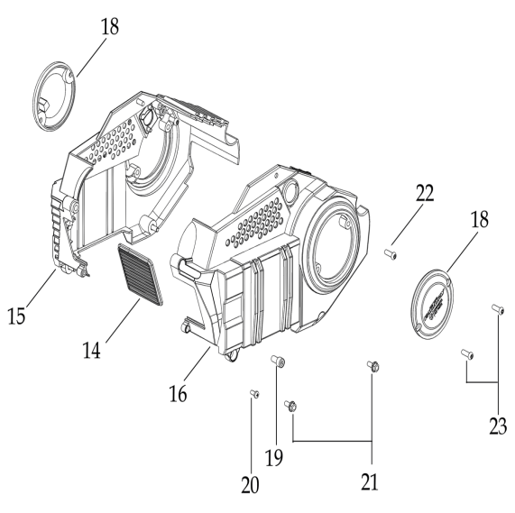
N° | Ref. | Description | Français | Picture | Qty/Bike
1 | YC50-1401-05 | YCF50 Seat assy L=425mm | Selle YCF50L=425mm |  | 1 | 1
2 | YC50-14-012-WH | YCF50 Rear fender WHITE | Garde boue arrière YCF50 BLANC |  | 1 | 1
3 | YC50-14-022-WH | YCF right side plastic WHITE | Plaque latérale droite YCF BLANC |  | 1 | 1
4 | YC110-14-03 | Cushion for right side plastic BLACK | caoutchouc plaque laterale droite NOIR |  | 1 | 1
5 | YC50-14-042-WH | YCF50 Left side plastic WHITE | Plaque latérale gauche YCF50 BLANCHE |  | 1 | 1
6 | YC50-14-05-01WH | YCF Right shroud BLACK 50CC | ouie radiateur droite YCF 50CC NOIR |  | 1 | 1
7 | YC50-14-06-01WH | YCF Left side shroud BLACK 50CC | ouie radiateur gauche YCF 50CC NOIR |  | 1 | 1
8 | GB845-ST4.8x16-G | Screw for plastic kit ST4.8x16mm | vis plastique ST4.8x16mm |  | 9 | 9
9 | BT08-M6x22-W | Hex.Bolt M6x22mm shroud front | vis M6x22mm ouies a l'avant |  | 2 | 2
...
21 | YC50-1427-02 | Plastic for Motor Left 50E Black | Caisson Plastique Gauche YCF50E Noir |  | 1 | 1
22 | YC50-1425-01 | Plastic for Motor Front 50E Black | Plaque Plastique Caisson avant Noir |  | 1 | 1
23 | RCSC-BK | Right crankcase small Cover 88/125 BLACK | DEMI CARTER EMBRAYAGE NOIR 88/125 |  | 2 | 2
24 | GB70.2-M6x22 | Plus screw M6x22mm for Right crankcase small Cover | vis M6x22mm pour fixation demi carter embrayage |  | 4 | 4
25 | GB70-M5x12 | Hex. Bolt M5x12mm | Vis M5x12mm |  | 1 | 1
26 | GB70-M8x16 | Hex. Bolt M8-16mm | Vis M8-16mm |  | 1 | 1
27 | BT08-M6x10-W | Hex.Bolt M6x10mm for Plastic for Motor fixation | vis M6x10mm pour fixation Caisson Plastique |  | 2 | 2
28 | BT08-M6x16-W | Hex.Bolt M6x16mm for Plastic for Motor fixation | vis M6x16mm pour fixation Caisson Plastique |  | 4 | 4

ELECTRIC
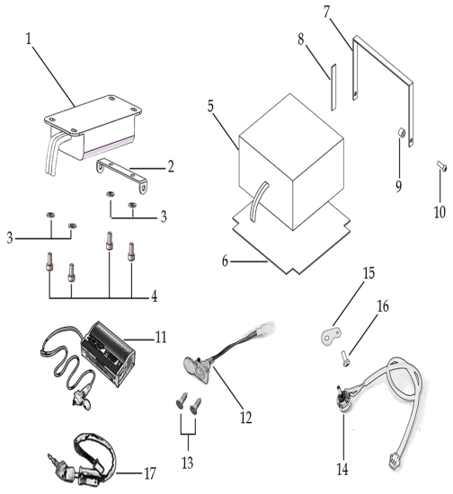
N° | Ref. | Description | Français | Picture | Qty/Bike
1 | YC50-1522-01 | Controller XK-033 48V 35A 1220w | Controlleur XK-033 48V 35A 1220w |  | 1 | 1
2 | YC50-1627-01 | Motor Support Plastic | Support Controlleur |  | 1 | 1
3 | BT08-M6x12-W | Hex.Bolt M6x12mm | Vis M6x12mm |  | 4 | 4
4 | YC50-1511-01 | Lithium battery 10A 48V 166mmx15mm7x92mm | Batterie Lithium 10A 48V 166mmx157mmx92mm |  | 1 | 1
5 | BT08-M6x22-W | Hex.Bolt M6x22mm | Vis M6x22mm |  | 2 | 2
6 | YC50-1514-02 | Charger YCF50E (Europe) | Chargeur Batterie YCF50E (Europe) |  | 1 | 1
7 | YC50-1513-01 | Charge plug 50E L=180mm | Prise Chargeur YCF50E L=180mm |  | 1 | 1
8 | GB846-ST2.9x10-W | Screw ST d2.9mmx9.5mm for charger plug | Vis ST d2.9mmx9.5mm pour prise chargeur |  | 2 | 2
9 | YC50-1544-01 | Potentiometer L=170mm | Potentiometre L=170 mm |  | 1 | 1
10 | GB818-M6x16-W | Plus screw M6x16mm for potentiometer fixation | Vis M6x16mm pour fixation potentiometre |  | 1 | 1
11 | YC110-0022-02 | Key contactor Waterproof | Contacteur a cle etanche |  | 1 | 1

Frame
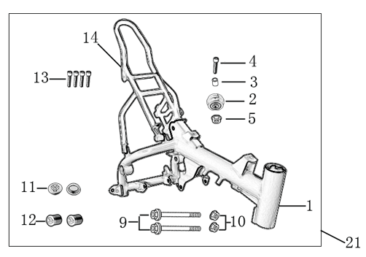
N° | Ref. | Description | Français | Picture | Qty/Bike
1 | YC50-1621-06-WH | Complète frame 50E 2022 WHITE for KRDIRECTION46, STEERING STEM 25° ANGLE | cadre complet 50E 2022 BLANC pour KRDIRECTION46, ANGLE POTENCE 25° |  | 1
2 | YC50-173-03-WH | Complète fONLY50E 2022 WHITE for KRDIRECTION46, STEERING STEM 25° ANGLE | Cadre SEUL50E 2022 BLANC pour KRDIRECTION46, ANGLE POTENCE 25° |  | 1 | 1
3 | YC110-01-08-BK | Cable tie ADJUSTABLE BLACK | Collier maintien cable AJUSTABLE NOIR |  | 1 | 1
4 | YC50-2022 | Tensioner bracket assembly 50E | Ensemble support de tension50E |  | 1
5 | YC50-2201-04 | YCF Chain tensioner component Nylon d40mmxd35mmx23mm（Middle 4.5mm) | Roulette chaine YCF d40mmxd35mmx23mm (Milieu 4.5mm) Nylon |  | 1 | 1
6 | BT08-M8x50-W | Exterior Hex.Bolt M8x50mm | vis couronne M8x50mm |  | 1 | 1
7 | YC50-16-05-BK | The stem of rear frame part 50E2022 Black | Boucle arriere YCF50E2022 Noir |  | 1 | 1
8 | YC110-1633-02 | Rubber plug for Rear frame part 2022 YCF | Caoutchouc embout arriere boucle arriere YCF 2022 |  | 1 | 1
9 | BT08-M8x16-W | Hex.Bolt M8x16mm for subframe fixation | vis M8x16mm pour fixation boucle arriere |  | 4 | 4
...

